Daily Power Station Chart_14-01
Plant_22/07/2025Chart

Plant:odco1 |  |  | Installed Capacity:111.180kWp
Today Yield(kWh):544.400kWh |  | Today Earning:217760.000TND |  | Today Full Load Hours(h):4.90h

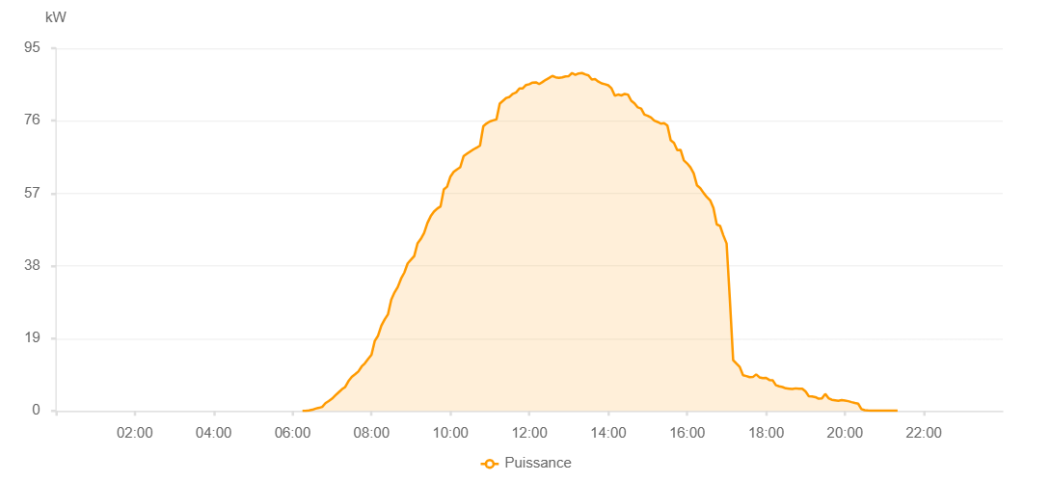

Number | Time | Working State | PV(W) | Instantaneous Radiation(W/㎡)
1 | 06:15:00 | Online | 20.00000 | 0
2 | 06:20:00 | Online | 20.00000 | 0
3 | 06:25:00 | Online | 140.00000 | 1.00000
4 | 06:30:00 | Online | 290.00000 | 2.00000
5 | 06:35:00 | Online | 600.00000 | 5.00000
6 | 06:40:00 | Online | 800.00000 | 8.00000
7 | 06:45:00 | Online | 1040.00000 | 13.00000
8 | 06:50:00 | Online | 2020.00000 | 18.00000
9 | 06:55:00 | Online | 2600.00000 | 25.00000
10 | 07:00:00 | Online | 3200.00000 | 32.00000
11 | 07:05:00 | Online | 4050.00000 | 40.00000
12 | 07:10:00 | Online | 4860.00000 | 50.00000
13 | 07:15:00 | Online | 5660.00000 | 61.00000
14 | 07:20:00 | Online | 6270.00000 | 73.00000
15 | 07:25:00 | Online | 7810.00000 | 89.00000
16 | 07:30:00 | Online | 8920.00000 | 104.00000
17 | 07:35:00 | Online | 9580.00000 | 121.00000
18 | 07:40:00 | Online | 10330.00000 | 133.00000
19 | 07:45:00 | Online | 11630.00000 | 141.00000
20 | 07:50:00 | Online | 12490.00000 | 173.00000
21 | 07:55:00 | Online | 13630.00000 | 191.00000
22 | 08:00:00 | Online | 14690.00000 | 213.00000
23 | 08:05:00 | Online | 18350.00000 | 235.00000
24 | 08:10:00 | Online | 19700.00000 | 256.00000
25 | 08:15:00 | Online | 22300.00000 | 276.00000
26 | 08:20:00 | Online | 23940.00000 | 298.00000
27 | 08:25:00 | Online | 25270.00000 | 319.00000
28 | 08:30:00 | Online | 29120.00000 | 340.00000
29 | 08:35:00 | Online | 31040.00000 | 361.00000
30 | 08:40:00 | Online | 32470.00000 | 381.00000
31 | 08:45:00 | Online | 34670.00000 | 403.00000
32 | 08:50:00 | Online | 36230.00000 | 422.00000
33 | 08:55:00 | Online | 38630.00000 | 443.00000
34 | 09:00:00 | Online | 39590.00000 | 463.00000
35 | 09:05:00 | Online | 40560.00000 | 484.00000
36 | 09:10:00 | Online | 43870.00000 | 501.00000
37 | 09:15:00 | Online | 45050.00000 | 520.00000
38 | 09:20:00 | Online | 46590.00000 | 529.00000
39 | 09:25:00 | Online | 49210.00000 | 551.00000
40 | 09:30:00 | Online | 50980.00000 | 569.00000
41 | 09:35:00 | Online | 52200.00000 | 588.00000
42 | 09:40:00 | Online | 53000.00000 | 610.00000
43 | 09:45:00 | Online | 53560.00000 | 624.00000
44 | 09:50:00 | Online | 58000.00000 | 642.00000
45 | 09:55:00 | Online | 58750.00000 | 659.00000
46 | 10:00:00 | Online | 61360.00000 | 672.00000
47 | 10:05:00 | Online | 62610.00000 | 688.00000
48 | 10:10:00 | Online | 63260.00000 | 706.00000
49 | 10:15:00 | Online | 63820.00000 | 719.00000
50 | 10:20:00 | Online | 66700.00000 | 734.00000
51 | 10:25:00 | Online | 67330.00000 | 750.00000
52 | 10:30:00 | Online | 67930.00000 | 765.00000
53 | 10:35:00 | Online | 68490.00000 | 779.00000
54 | 10:40:00 | Online | 68940.00000 | 790.00000
55 | 10:45:00 | Online | 69490.00000 | 804.00000
56 | 10:50:00 | Online | 74550.00000 | 815.00000
57 | 10:55:00 | Online | 75290.00000 | 827.00000
58 | 11:00:00 | Online | 75820.00000 | 839.00000
59 | 11:05:00 | Online | 76090.00000 | 848.00000
60 | 11:10:00 | Online | 76340.00000 | 860.00000
61 | 11:15:00 | Online | 80490.00000 | 870.00000
62 | 11:20:00 | Online | 81250.00000 | 879.00000
63 | 11:25:00 | Online | 81980.00000 | 891.00000
64 | 11:30:00 | Online | 82260.00000 | 895.00000
65 | 11:35:00 | Online | 83060.00000 | 904.00000
66 | 11:40:00 | Online | 83410.00000 | 909.00000
67 | 11:45:00 | Online | 84440.00000 | 916.00000
68 | 11:50:00 | Online | 84470.00000 | 925.00000
69 | 11:55:00 | Online | 85350.00000 | 927.00000
70 | 12:00:00 | Online | 85560.00000 | 933.00000
71 | 12:05:00 | Online | 85990.00000 | 941.00000
72 | 12:10:00 | Online | 86060.00000 | 943.00000
73 | 12:15:00 | Online | 85590.00000 | 950.00000
74 | 12:20:00 | Online | 86130.00000 | 952.00000
75 | 12:25:00 | Online | 86720.00000 | 959.00000
76 | 12:30:00 | Online | 87200.00000 | 958.00000
77 | 12:35:00 | Online | 87740.00000 | 959.00000
78 | 12:40:00 | Online | 87370.00000 | 957.00000
79 | 12:45:00 | Online | 87210.00000 | 963.00000
80 | 12:50:00 | Online | 87360.00000 | 954.00000
81 | 12:55:00 | Online | 87610.00000 | 954.00000
82 | 13:00:00 | Online | 87700.00000 | 959.00000
83 | 13:05:00 | Online | 88500.00000 | 963.00000
84 | 13:10:00 | Online | 88010.00000 | 967.00000
85 | 13:15:00 | Online | 88390.00000 | 961.00000
86 | 13:20:00 | Online | 88500.00000 | 967.00000
87 | 13:25:00 | Online | 88140.00000 | 964.00000
88 | 13:30:00 | Online | 87880.00000 | 959.00000
89 | 13:35:00 | Online | 86800.00000 | 951.00000
90 | 13:40:00 | Online | 86900.00000 | 951.00000
91 | 13:45:00 | Online | 86250.00000 | 947.00000
92 | 13:50:00 | Online | 85780.00000 | 936.00000
93 | 13:55:00 | Online | 85560.00000 | 938.00000
94 | 14:00:00 | Online | 85270.00000 | 935.00000
95 | 14:05:00 | Online | 84480.00000 | 924.00000
96 | 14:10:00 | Online | 82580.00000 | 919.00000
97 | 14:15:00 | Online | 82860.00000 | 908.00000
98 | 14:20:00 | Online | 82630.00000 | 906.00000
99 | 14:25:00 | Online | 83020.00000 | 897.00000
100 | 14:30:00 | Online | 82850.00000 | 885.00000
101 | 14:35:00 | Online | 81240.00000 | 877.00000
102 | 14:40:00 | Online | 80550.00000 | 869.00000
103 | 14:45:00 | Online | 79490.00000 | 861.00000
104 | 14:50:00 | Online | 79200.00000 | 851.00000
105 | 14:55:00 | Online | 77610.00000 | 836.00000
106 | 15:00:00 | Online | 77290.00000 | 825.00000
107 | 15:05:00 | Online | 76850.00000 | 820.00000
108 | 15:10:00 | Online | 76020.00000 | 805.00000
109 | 15:15:00 | Online | 75690.00000 | 794.00000
110 | 15:20:00 | Online | 75240.00000 | 777.00000
111 | 15:25:00 | Online | 75350.00000 | 767.00000
112 | 15:30:00 | Online | 74720.00000 | 761.00000
113 | 15:35:00 | Online | 70860.00000 | 747.00000
114 | 15:40:00 | Online | 70190.00000 | 739.00000
115 | 15:45:00 | Online | 68320.00000 | 718.00000
116 | 15:50:00 | Online | 68370.00000 | 385.00000
117 | 15:55:00 | Online | 65600.00000 | 693.00000
118 | 16:00:00 | Online | 64810.00000 | 679.00000
119 | 16:05:00 | Online | 63790.00000 | 644.00000
120 | 16:10:00 | Online | 62200.00000 | 653.00000
121 | 16:15:00 | Online | 59070.00000 | 634.00000
122 | 16:20:00 | Online | 58340.00000 | 607.00000
123 | 16:25:00 | Online | 57090.00000 | 588.00000
124 | 16:30:00 | Online | 56000.00000 | 269.00000
125 | 16:35:00 | Online | 55140.00000 | 553.00000
126 | 16:40:00 | Online | 53150.00000 | 544.00000
127 | 16:45:00 | Online | 48860.00000 | 526.00000
128 | 16:50:00 | Online | 48470.00000 | 504.00000
129 | 16:55:00 | Online | 45990.00000 | 486.00000
130 | 17:00:00 | Online | 43840.00000 | 469.00000
131 | 17:05:00 | Online | 29120.00000 | 446.00000
132 | 17:10:00 | Online | 13270.00000 | 134.00000
133 | 17:15:00 | Online | 12380.00000 | 129.00000
134 | 17:20:00 | Online | 11530.00000 | 115.00000
135 | 17:25:00 | Online | 9350.00000 | 113.00000
136 | 17:30:00 | Online | 9130.00000 | 89.00000
137 | 17:35:00 | Online | 8840.00000 | 91.00000
138 | 17:40:00 | Online | 8870.00000 | 89.00000
139 | 17:45:00 | Online | 9570.00000 | 89.00000
140 | 17:50:00 | Online | 8790.00000 | 91.00000
141 | 17:55:00 | Online | 8590.00000 | 84.00000
142 | 18:00:00 | Online | 8640.00000 | 85.00000
143 | 18:05:00 | Online | 8110.00000 | 85.00000
144 | 18:10:00 | Online | 8040.00000 | 74.00000
145 | 18:15:00 | Online | 6710.00000 | 73.00000
146 | 18:20:00 | Online | 6450.00000 | 66.00000
147 | 18:25:00 | Online | 6240.00000 | 61.00000
148 | 18:30:00 | Online | 5910.00000 | 64.00000
149 | 18:35:00 | Online | 5820.00000 | 57.00000
150 | 18:40:00 | Online | 5730.00000 | 55.00000
151 | 18:45:00 | Online | 5900.00000 | 59.00000
152 | 18:50:00 | Online | 5790.00000 | 58.00000
153 | 18:55:00 | Online | 5820.00000 | 54.00000
154 | 19:00:00 | Online | 5100.00000 | 47.00000
155 | 19:05:00 | Online | 3860.00000 | 41.00000
156 | 19:10:00 | Online | 3780.00000 | 38.00000
157 | 19:15:00 | Online | 3620.00000 | 37.00000
158 | 19:20:00 | Online | 3190.00000 | 35.00000
159 | 19:25:00 | Online | 3270.00000 | 32.00000
160 | 19:30:00 | Online | 4450.00000 | 33.00000
161 | 19:35:00 | Online | 3340.00000 | 35.00000
162 | 19:40:00 | Online | 2920.00000 | 32.00000
163 | 19:45:00 | Online | 2780.00000 | 28.00000
164 | 19:50:00 | Online | 2640.00000 | 26.00000
165 | 19:55:00 | Online | 2820.00000 | 22.00000
166 | 20:00:00 | Online | 2700.00000 | 21.00000
167 | 20:05:00 | Online | 2560.00000 | 21.00000
168 | 20:10:00 | Online | 2300.00000 | 18.00000
169 | 20:15:00 | Online | 2070.00000 | 14.00000
170 | 20:20:00 | Online | 1900.00000 | 12.00000
171 | 20:25:00 | Online | 490.00000 | 9.00000
172 | 20:30:00 | Online | 180.00000 | 6.00000
173 | 20:35:00 | Online | 100.00000 | 4.00000
174 | 20:40:00 | Online | 50.00000 | 1.00000
175 | 20:45:00 | Online | 40.00000 | 1.00000
176 | 20:50:00 | Online | 40.00000 | 0
177 | 20:55:00 | Online | 40.00000 | 0
178 | 21:00:00 | Online | 40.00000 | 0
179 | 21:05:00 | Online | 40.00000 | 0
180 | 21:10:00 | Online | 40.00000 | 0
181 | 21:15:00 | Online | 40.00000 | 0
182 | 21:20:00 | Online | 40.00000 | 0
183 | 21:45:00 | Online | 0.00001 | 0.00001

